FSDL Problem Statements
Sr. No. | Problem Statement | Expected Solution with Technology Stack
1 | Digital Glossary: Create a dynamic table that filters HTML formatting tags in real-time as the user types in a search bar. | Stack: JavaScript (ES6), HTML/CSS. A searchable UI displaying tag names and descriptions using DOM manipulation.
2 | Skill Showcase Component: Design a reusable "Skill Bar" UI element that accepts skill name and proficiency percentage as inputs for a portfolio. | Stack: HTML5, CSS3, JavaScript. A modular progress-bar system driven by data attributes or parameters.
3 | Interactive Pricing Toggle: Build a subscription page with a toggle switch that updates pricing values between "Monthly" and "Yearly" instantly. | Stack: JavaScript, CSS. Dynamic UI updates using event listeners and state logic.
4 | NoSQL Schema for E-Commerce: Design a MongoDB schema for "Product" and "Category" and implement a GET route to fetch all items. | Stack: Node.js, MongoDB, Mongoose. A robust JSON data model for scalable products.
5 | Real-Time Input Mirror: Create a "Profile Previewer" where text typed in a form instantly reflects on a "Business Card" UI on the same page. | Stack: JavaScript (Vanilla/ES6). Event-driven synchronization between form inputs and UI elements.
6 | Weather Trend Visualizer: Fetch a static JSON array of weekly temperatures and render a Line Chart using a visualization library. | Stack: Chart.js, HTML/JS. A visual dashboard showing temperature fluctuations.
7 | RESTful Contact Manager: Develop an Express API that performs "Add" and "View" operations for a travel agency lead list using MongoDB. | Stack: Node.js, Express, MongoDB. Functional POST/GET endpoints for lead management.
8 | Dynamic Shopping Cart Logic: Implement a "Plus/Minus" quantity selector for a product page that updates the total price automatically. | Stack: JavaScript (ES6), HTML/CSS. Logic for event listeners and real-time DOM updates.
9 | Single Page Portfolio: Set up a 3-page portfolio (Home, Projects, Contact) using client-side routing to navigate without page refreshes. | Stack: JavaScript, History API / Routing Library. Single Page Application (SPA) navigation logic.
10 | Cryptocurrency Live Tracker: Build a dashboard that fetches the current price of Bitcoin from a public API every 30 seconds. | Stack: JavaScript, Fetch API. Handling asynchronous data and intervals for live updates.
11 | NoSQL Filter Logic: Create a Node.js route that filters "Insurance Policies" from a MongoDB collection based on a "Premium" price limit. | Stack: Node.js, MongoDB. Use of Mongoose query operators like $lt or $gt.
12 | Theme Switcher Dashboard: Create a dashboard layout with a "Dark/Light" mode toggle using global variables or CSS custom properties. | Stack: JavaScript, CSS Variables. Global management of UI themes and local storage persistence.
13 | E-Commerce Product Gallery: Map through a JSON array of products to display functional cards with "Buy Now" alerts. | Stack: JavaScript (ES6). Mastery of template literals or list rendering for dynamic UI generation.
14 | Student Record Visualization: Create a Bar Chart showing the number of students enrolled in different college departments using D3.js. | Stack: D3.js, HTML/SVG. Data-driven document manipulation and scaling.
15 | Secure Login Mock-up: Create a login form that validates email format and password length, showing error messages in real-time. | Stack: JavaScript. Form validation logic and conditional rendering of UI feedback.
16 | State-Driven Tag Explorer: Build a web app where users select a category (e.g., "Inline", "Block") to filter and render HTML formatting tags in a table. | Stack: JavaScript. Functional programming using .filter() and .map() on a JSON dataset.
17 | Dynamic Resume Builder: Create a form-to-previewer where user input updates a professional portfolio layout in real-time as the user types. | Stack: JavaScript. Controlled inputs and live data-binding to a preview section.
18 | NoSQL Schema Optimizer: Design a MongoDB schema for a "Flash Sale" with variable attributes (size, color). Implement a GET route to fetch by nested attributes. | Stack: Node.js, MongoDB. Schema design with nested Objects/Arrays; Mongoose query logic.
19 | Real-time Inventory Dashboard: Create a dashboard that visualizes "Stock Levels" using a Polar Area chart with an interactive "sell" button. | Stack: JavaScript, Chart.js. Integrating data updates with external visualization libraries.
20 | E-Commerce Logic Engine: Build a "Coupon Code" validator that applies tiered discounts (10%, 20%) based on the total cart value. | Stack: JavaScript. Business logic implementation using conditional operators and state tracking.
21 | Weather Forecast Comparator: Fetch weather data for two cities simultaneously and visualize the temperature difference using a grouped Bar Chart. | Stack: JS (ES6), Chart.js. Handling multiple asynchronous fetch() requests and data normalization.
22 | Atomic Component Library: Design a set of modular UI components (Button, Input, Card) and use them to assemble a landing page. | Stack: HTML/CSS, JavaScript. Component-driven development focusing on reusability and parameters.
23 | NoSQL "Soft Delete" System: Build an Express API where "deleting" a record only marks it as isActive: false. Create a toggle to view Archived vs Active data. | Stack: Node.js, Express, MongoDB. Logical vs Physical deletion strategies in NoSQL.
24 | Interactive Skill Heatmap: Visualize professional skills using a Radar Chart, where clicking "level up" buttons increases the chart's data points. | Stack: Chart.js, JavaScript. Dynamic data binding between UI controls and Chart datasets.
25 | Multi-Step Insurance Wizard: Create a 3-step application form that persists data across "Next" and "Back" buttons without input loss. | Stack: JavaScript. Complex state management (Object-based) across multi-step UI views.
26 | Query String Product Filter: Build a gallery where selecting a category updates the URL query string (e.g., ?cat=shoes) and filters the list accordingly. | Stack: JavaScript, URLSearchParams API. Deep-linking and URL-to-UI state synchronization.
27 | Collaborative Task Burn-down: Create a Task Board (To-do, Doing, Done) and visualize the count of tasks in each stage using a Pie Chart. | Stack: JavaScript, D3.js/Chart.js. Real-time transformation from object arrays to chart datasets.
28 | Secure API Middleware: Design a Node.js server that serves sensitive data only if a specific API-Key is present in the request headers. | Stack: Node.js, Express. Implementation of custom middleware and request header validation.
29 | NoSQL Aggregation Task: Use MongoDB's $match and $group logic to calculate the average price of products in a database via an Express route. | Stack: MongoDB Aggregation Framework. High-level data processing on the database side.
30 | Responsive Dashboard Skeleton: Build a dashboard sidebar that collapses into a "Hamburger" menu, containing links to 3 different data visualizations. | Stack: HTML, CSS Media Queries, JavaScript. Combining UI responsiveness with data-heavy components.
31 | Create a structured resume webpage with sections: Career Objective, Education, Skills, Projects, and Contact Information using only HTML & CSS. | Stack: HTML5, CSS. Semantic structure with styled layout.
32 | Design a student registration form with fields like Name, Email, Gender, Course, and Address. Apply CSS styling for layout and alignment. | Stack: HTML5, CSS, JavaScript. Structured form with responsive styling.
33 | Create a weekly class timetable using HTML tables with proper use of rowspan and colspan. | Stack: HTML5. Table design with rowspan and colspan.
34 | Create a simple blog page with header, sidebar, content area, and footer using CSS layout techniques. | Stack: HTML5, CSS. Layout using Flexbox/Grid.
35 | Create a basic calculator using HTML, CSS, and JavaScript supporting +, −, ×, ÷ operations. | Stack: JavaScript , HTML/CSS. Event-driven calculations.
36 | Create a simple to-do list where users can add and delete tasks dynamically. | Stack: JavaScript, CSS. Dynamic UI updates using event listeners and state logic.
37 | Input a string and perform operations like reverse, uppercase, lowercase, and length calculation using JavaScript. | Stack: JavaScript . String manipulation and UI interaction.
38 | Create a pie chart showing Present, Absent, and Leave percentages using static data. | Stack: Chart.js, HTML/JS. Visual representation using charts.
39 | Create a form to register student details (Name, Roll No, Branch) and store/display data using MongoDB. | Stack: Node.js, Express, MongoDB, Mongoose. Backend CRUD operations.
40 | Design a form for event registration (Name, Email, Event Name) and store entries in MongoDB. | Stack: Node.js, Express, MongoDB. API endpoints for data storage.
41 | Allow students to enroll in courses (Student Name, Course Name) and manage records. | Stack: Node.js, MongoDB. Data handling and record display.
42 | Create a responsive navigation bar with a dropdown menu for at least two items. | Stack: HTML5, CSS3, JavaScript. Flexbox layout with JS-based dropdown toggle.
43 | Design a photo gallery with at least 6 images and apply hover zoom effect. | Stack: HTML5, CSS3. CSS Grid with transform and transition effects.
44 | Implement a dark/light mode toggle button for a webpage. | Stack: JavaScript, CSS Variables. Toggle theme using class and localStorage.
45 | Create a login form with validation for email and password (minimum length). | Stack: HTML5, CSS3, JavaScript. Regex validation and error handling.
46 | Create a stopwatch with start, stop, and reset buttons. | Stack: JavaScript. setInterval and clearInterval functions.
47 | Create a product list (5 items) and implement filtering by category. | Stack: JavaScript, HTML/CSS. Array filtering and dynamic DOM updates.
48 | Build a quiz with 3–5 questions and display final score. | Stack: JavaScript, HTML/CSS. Question handling and scoring logic.
49 | Implement student record storage (Name, Roll No) using localStorage. | Stack: JavaScript, HTML/CSS. Store and retrieve JSON data locally.
50 | Create a feedback form and display total responses count. | Stack: JavaScript, HTML/CSS. Store responses and compute count using localStorage.
51 | Create a drag-and-drop list to reorder 5 items. | Stack: JavaScript (Drag & Drop API), HTML/CSS. Interactive UI reordering.
52 | Create a dynamic HTML glossary page with a searchable table of text formatting tags. | Dynamic HTML Glossary → HTML, CSS, JavaScript (DOM Manipulation, Search Filter)
53 | Design a portfolio page with a reusable skill bar component using HTML, CSS, and Bootstrap. | Portfolio with Skill Bar → HTML, CSS, Bootstrap (Progress Bars, Responsive Design)
54 | Build an e-commerce pricing page with a toggle switch to update prices dynamically. | E-commerce Pricing Toggle → HTML, CSS, JavaScript, Bootstrap (Toggle Switch Logic)
55 | Develop a weather dashboard that visualizes weekly data using charts. | Weather Dashboard → HTML, CSS, JavaScript, Chart.js (Data Visualization)
56 | Implement a Node.js + Express API with MongoDB schemas for products and categories. | Node.js API with MongoDB → Node.js, Express, MongoDB (Mongoose ODM)
57 | Create an appointment booking or used-item listing app using Node.js and MongoDB. | Appointment / Listing App → Node.js, Express, MongoDB (CRUD Operations)
58 | Build a real-time profile previewer that updates as the user types. | Real-time Profile Previewer → HTML, CSS, JavaScript (Event Listeners, Live DOM Update)
59 | Implement a shopping cart with dynamic quantity and total price updates. | Shopping Cart Logic → HTML, CSS, JavaScript (Dynamic Price Calculation)
60 | Create a single-page portfolio with client-side routing. | Single Page Portfolio (SPA) → HTML, CSS, JavaScript (Client-side Routing)
61 | Design a pricing card with a toggle for monthly/yearly plans. | Pricing Card Toggle → HTML, CSS, JavaScript (State Toggle Logic)
62 | Create a line chart using static weather data with Chart.js. | Weather Line Chart → HTML, CSS, JavaScript, Chart.js
63 | Create a live profile preview that updates as the user types. | Live Profile Preview → HTML, CSS, JavaScript (Real-time Input Binding)
64 | Implement a product page with quantity buttons and total price calculation. | Product Quantity Page → HTML, CSS, JavaScript (Increment/Decrement Logic)
65 | Develop a to-do list app using local storage. | To-Do List App → HTML, CSS, JavaScript (LocalStorage API)
66 | Design a responsive navbar with a hamburger menu. | Responsive Navbar → HTML, CSS, Bootstrap (Navbar Component)
67 | Create a quiz app with score calculation. | Quiz App → HTML, CSS, JavaScript (Logic + Score Calculation)
68 | Build an image gallery with category-based filtering. | Image Gallery Filter → HTML, CSS, JavaScript (Filtering Logic)
69 | Develop a simple notes app with add/delete features. | Notes App → HTML, CSS, JavaScript (LocalStorage, CRUD Operations)
70 | Create a static webpage showing all HTML text formatting tags for given below paragraph. Welcome to HTML Formatting Demo Visit our website using this link: Click Here This is an important paragraph where we use emphasis, italic text, underlined text, and highlighted text. We can also display bigger text and smaller text. Mathematical example: H2O and (a+b)2 = a2 + b2 + 2ab The content of the HTML document is written inside the <body> tag. Line breaks are added using <br> tag. This sentence is displayed using a different font style. Here is a definition list example: HTML Definition of HTML - used to create webpages. CSS Definition of CSS - used for styling webpages. You can also use strong text and or inserted text for better formatting. Embedded video example: Embedded audio example: | HTML + CSS
71 | Design a responsive personal portfolio with sections: About, Skills, Projects, Contact. | HTML + CSS + Bootstrap
 | 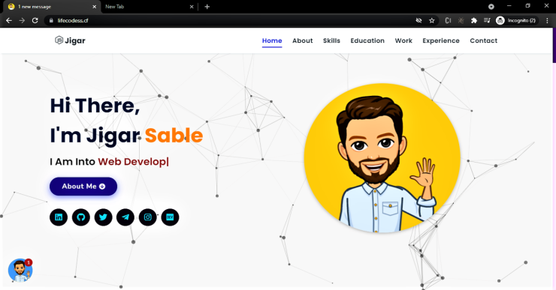
72 | Mini E-Commerce Product Page- Display products with image, price, and “Add to Cart” button. | HTML + CSS + JS
73 | Create a dashboard to visualize monthly sales data using: Line Chart Bar Chart Pie Chart Also display the data in tabular format. | HTML + CSS + JS + Chart.js
 | 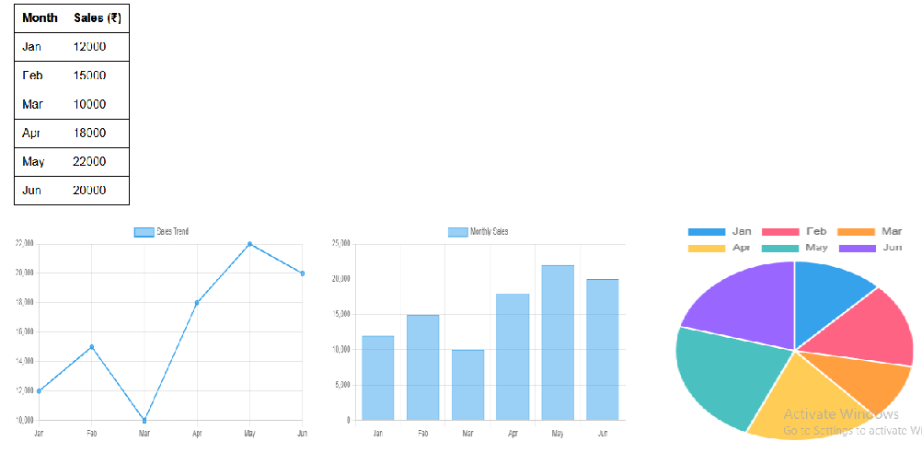
74 | Create homepage with navbar, courses, and contact section. | HTML + CSS
 | 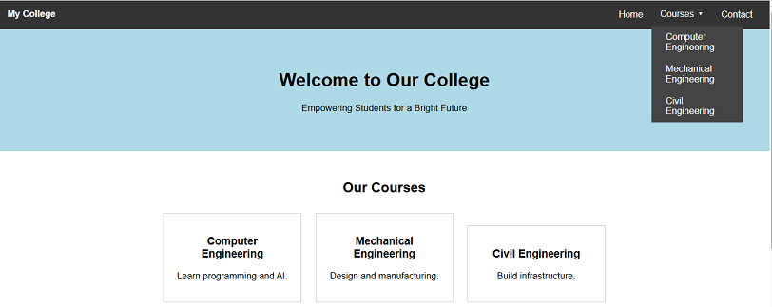
75 | Display travel packages with pricing and images . | HTML + CSS + Bootstrap

 | 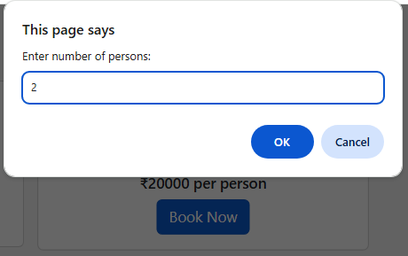
 | 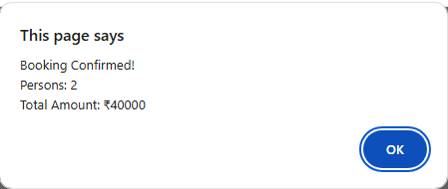
76 | Create form to book appointment (name, date, time) and store in MongoDB. | Node.js + Express + MongoDB
 | 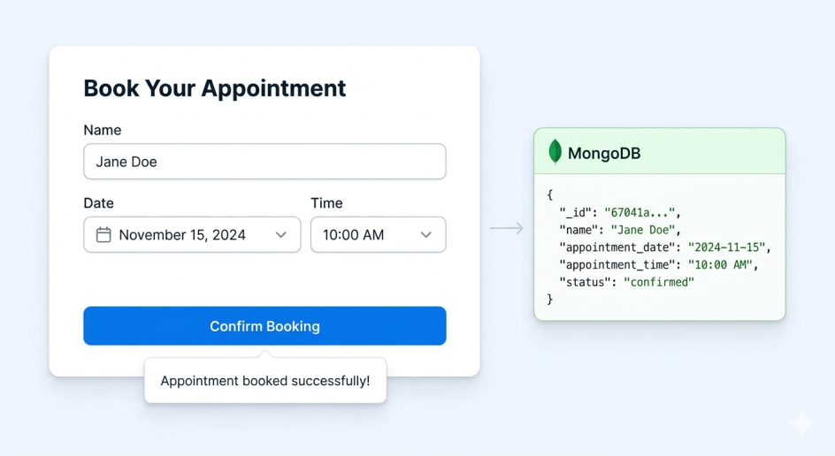
77 | Used Vehicle Sale Portal- Add and view vehicle listings. | Node.js + Express + MongoDB
 | 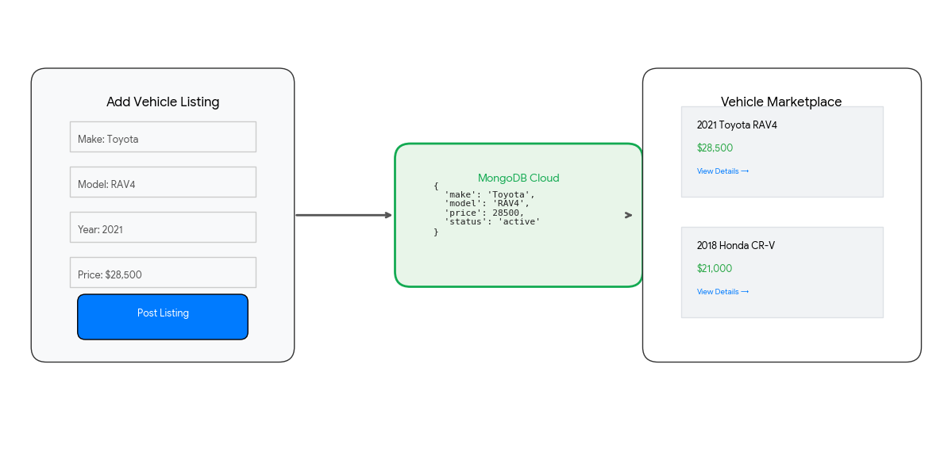
78 | Display subject-wise marks using bar chart, line chart, doughnut chart Student Profile: Jane Doe studentData = { subjects: ['Math', 'Science', 'English', 'History', 'Comp Sci'], marks: [85, 92, 78, 88, 95], attendance: [90, 10], // Present vs Absent progress: [70, 75, 82, 85, 92] // Marks over 5 months };
 | 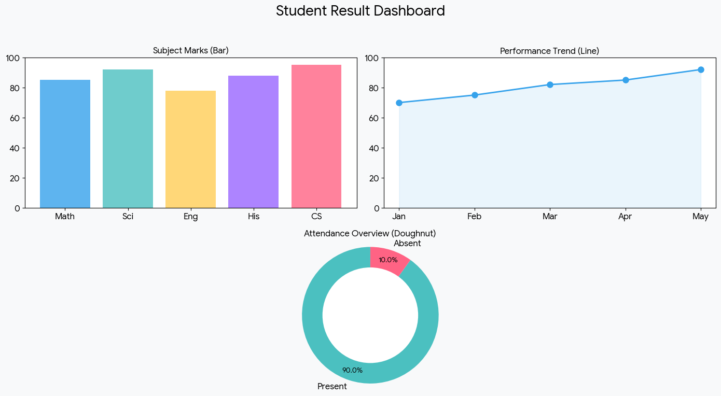
79 | Create a Dynamic Shopping Cart, you need an interactive UI where the Total Price updates in real-time as users adjust quantities. | Node.js + Express + MongoDB
 | 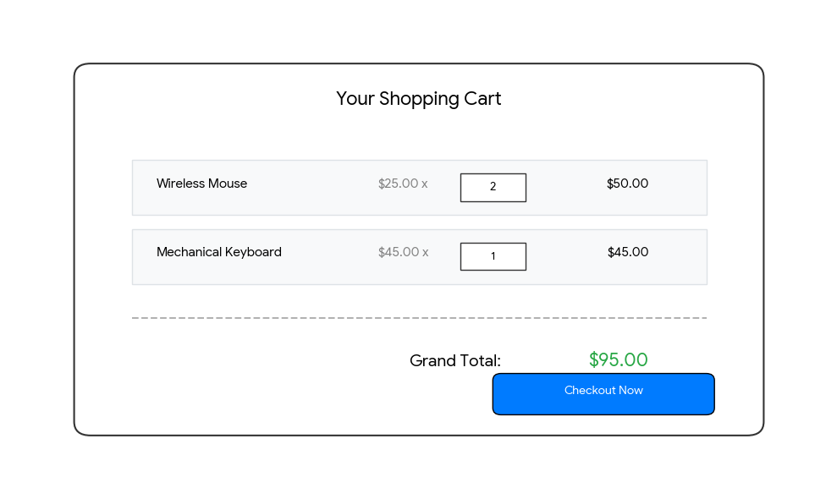
80 | FAQ Accordion - Create expandable FAQ section. | HTML + JS
 | 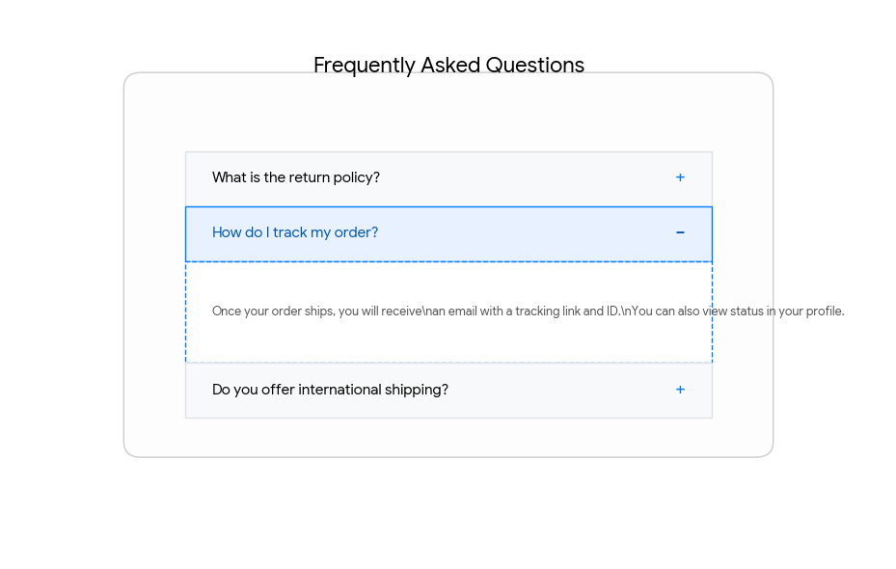
81 | Image Gallery - Display images in grid and preview on click | HTML + CSS + JS
 | 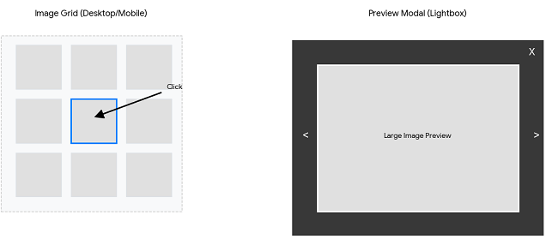
82 | To-Do List App - Add, delete tasks dynamically.
 | 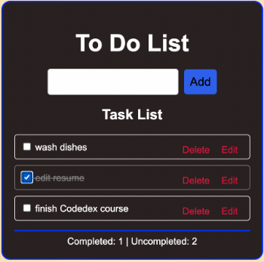
83 | Contact Manager API-Create API to add and fetch contacts. | Node.js + Express + MongoDB
 | 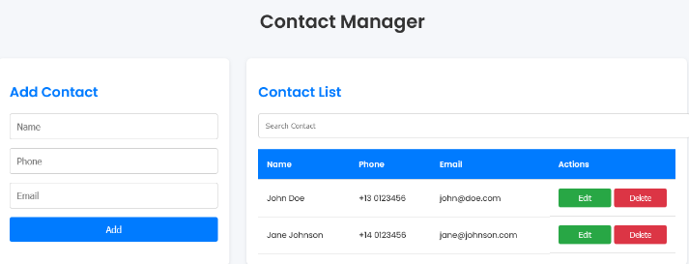
84 | Build a student registration system with ReactJS and MongoDB follows the MERN stack architecture (MongoDB, Express, React, Node.js). This allows you to perform full CRUD (Create, Read, Update, Delete) operations on student data | Node.js + Express +ReactJS+ MongoDB
 | 